1. Title Page
Grocery Basket Analysis

Project Name: Grocery Basket Analysis
Date: 11/14/2023
Analyst Name: Lawrence Lin

Contents:
Population Flow
Consistency checks
Wrangling steps
Column derivations
Visualizations
Recommendations

Data Citation:
“The Instacart Online Grocery Shopping Dataset 2017”, Accessed from www.instacart.com/datasets/grocery-shopping-2017 via Kaggle on .

2. Population Flow
Title page

Population flow

Exclusion flag
Condition: max_order < 5
Obervations to be removed: 1,440,295
Final total count of order_products_all: 30,964,564

Orders_products_combined
Orders_products_merged
Orders_products_all

Total: 32,434,489
Total: 32, 404,859
Total: 30,964,564

1.) The grey boxes in the first row of the population flow represent the original data sets as they were when you downloaded them. In the Total fields you need to add the count of the rows when you imported the data set into Jupyter.
2.) The second row of boxes (coloured) represents the data sets after you manipulated them, e.g., removed missing values and duplicates. In the Total fields you need to add the count of the rows after conducting these operations. This offers a visual oveview of how the data flows throughout the data consistency checks.
3.) The third row, where also the arrows are coloured, represents the merges you performed between the datasets. In the Total fields you need to add the count of the rows in the merged datasets, so that you end up with the final dataset (in the red box). Keep in mind the final dataset should be without exclusions (based on the exclusion flag).

3. Consistency checks
 |  |  |  | Title page
Consistency checks

Dataset | Missing values | Missing values treatment | Duplicates
orders | 206, 209 | No change
products | 16 | Removed | Removed 5 duplicate rows
orders_products_prior | None |  | None
customers | None |  | None
orders_products_customers | first orders in the days_since_prior_order_number column | Crosstab check

4. Wrangling steps
 |  |  |  | Title page
Wrangling steps

Columns dropped | Columns renamed | Columns' type changed | Comment/Reason
eval_set |  |  | Removed: Not needed for analysis
 | orders_dow to orders_day_of_the_week |  | Renamed to be more intuitive
 | days_since_prior_order to days_since_prior_number |  | Renamed to be more specific
 |  | order_id | Not needed for calculations - type changed to str
 |  | user_id | Not needed for calculations - type changed to str
_merge |  |  | Removed: Not needed for analysis after consistency checks
busiest day |  |  | Removed: Duplicate column
First Name |  |  | Removed: Data ethics concern + Not needed for analysis
Surnam |  |  | Removed: Data ethics concern + Not needed for analysis
date_joined |  |  | Removed: Data ethics concern + Not needed for analysis
 | Gender to gender
 | STATE to state
 | Age to age

5. Column derivations
 |  |  |  | Title page

Column derivations and aggregations

In this tab you should add tables below that the frequences of flags/label variables that you produced after deriving them. NB: don't do this for continuous variables, only for flags.
Dataset | New column | Column/s it was derived from | Conditions
orders_products_merged | price_range_loc | prices | Low-range: <= 5, Mid-range: >5 & <= 15, High-range > 15
orders_products_merged | busiest_day | orders_day_of_the_week | Most or least busy
orders_products_merged | busiest_days | orders_day_of_the_week | Top 2 most or least busy
orders_products_merged | busiest_period_of_day | orders_hour_of_day | Fewest: <= 500,000, Most: > 2,500,000, Average: the remaining in between
orders_products_derived | loyalty_flag | user_id, order_number, max_order | Loyal: >40, Regular: <= 40 & > 10, New: >= 10
orders_products_derived | spending_level | user_id, prices, avg_price_of_user | Low: <10, High: >= 10
orders_products_derived | order_regularity | user_id, days_since_prior_order_number, median_days_since_prior_order | Frequent: <=10, Regular: >=10 & <= 20, Non-frequent: >20
orders_products_customers | region | state | Northeast, South, Midwest, West - based on grouping in Wikipedia
orders_products_customers | customer_profile | age, income, n_dependants | Segmented based on: Age - higher or lower than 18, Income - >60,000/ 60,000 to 100,000/ >100,000, n_dependants - 0 or higher than 0

6. Visualizations
 |  |  |  | Title page

Visualisations

In this tab you should include all the visualtions from Exercises 4.9 and 4.10, alongside the questions from the project brief that they answer. Include any commentary on the relationship between different variables.

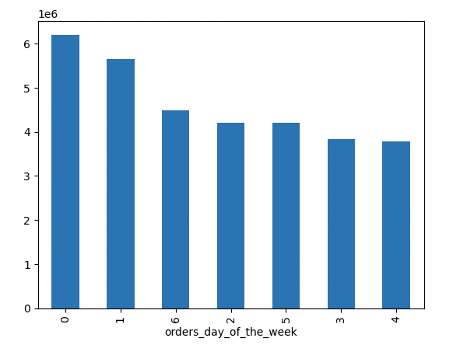
Frequency of orders on each day of the week
The busiest day is Saturday, followed by Sunday, and then Friday.
The least busiest day is Wednesday, followed by Tuesday, and then Thursday.

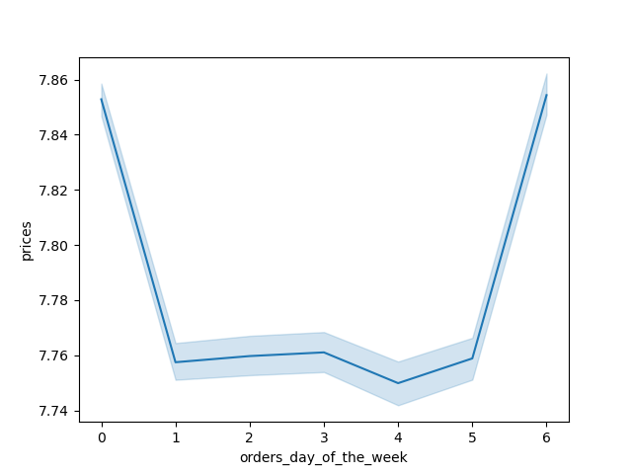

 |  | This line graph demonstrates that customer expenditures peak on Friday and Saturday and dip down to a low level during the rest of the week.



 |  | The histogram demonstrates that the frequency of sales peaks from the late morning to the mid-afternoon, after which they gradually drop.

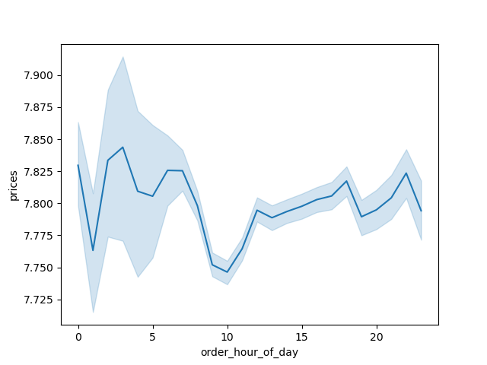

 | Looking at the periods of high confidence (from about 7 in the morning until midnight), it appears that customer expenditure hits a low at around 10 AM.
 | Then, it sharply rises again by noon, and gradually increases over the course of the day.

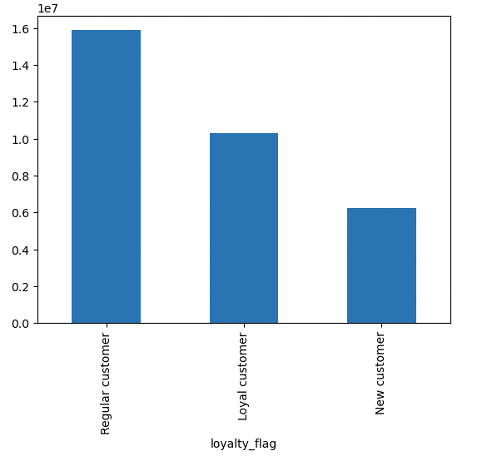

 | Most orders are made by regular customers. Loyal customers make the next most orders.
 | Loyal customers are almost entirely frequent customers. Regular customers are mostly either frequent or regular customers.
 | New customers are roughly evenly split when it comes to how frequently they order, with non-frequent customers being the largest group by a slight margin.

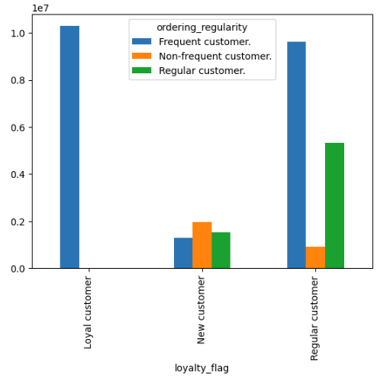



 |  | There is a positive correlation between age and income.
 |  | There is greater density in the income ranges of 200,000 to 300,000 when age exceeds 40.
 |  | Similarly, there are only customers with an income higher than 400,000 once age exceeds 40.

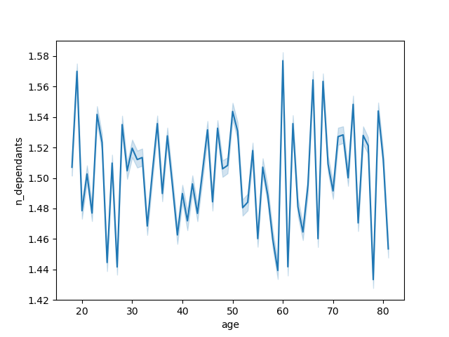

 |  |  | There is no correlation between a customer's age and the number of dependants they have in their family.

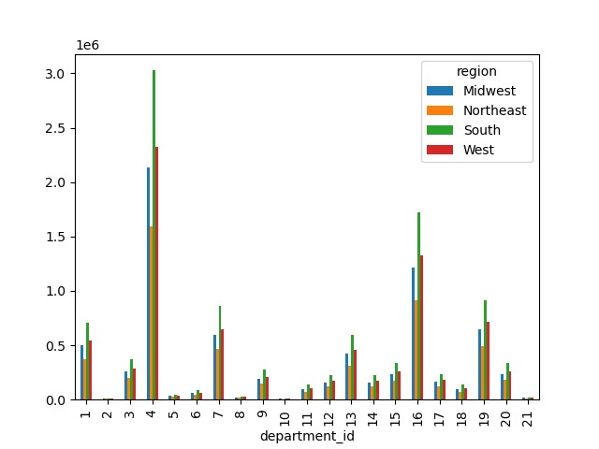

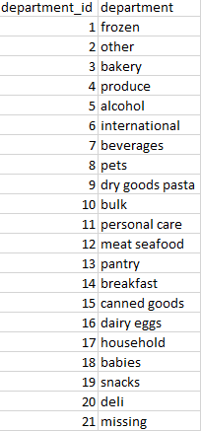
 |  |  | Key:
 |  |  |  |  | There appears to be the most orders from customers in the South, followed by the West, the Midwest, and then the Northeast.
 |  |  |  |  | This pattern appears to be the case for all departments and for customers of all ordering regularity.

 |  |  |  |  | Produce items are the most ordered. Dairy and eggs are the category with the second most ordered, followed by snacks.

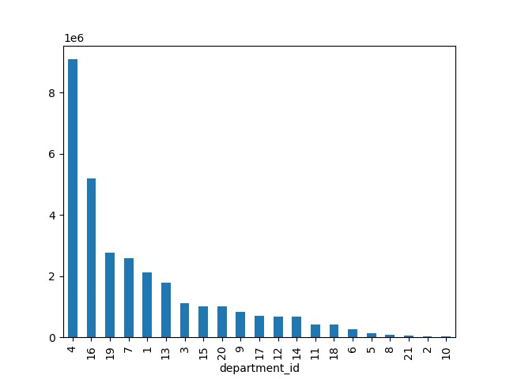

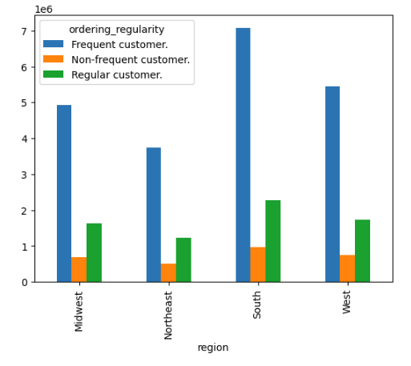

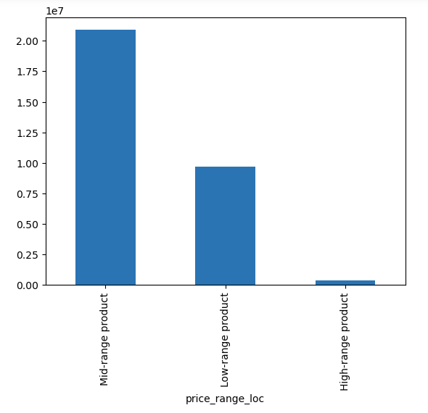

 |  | Number of orders by price range
 |  | Overall, there are about twice as many orders for mid-range products than low-range products.

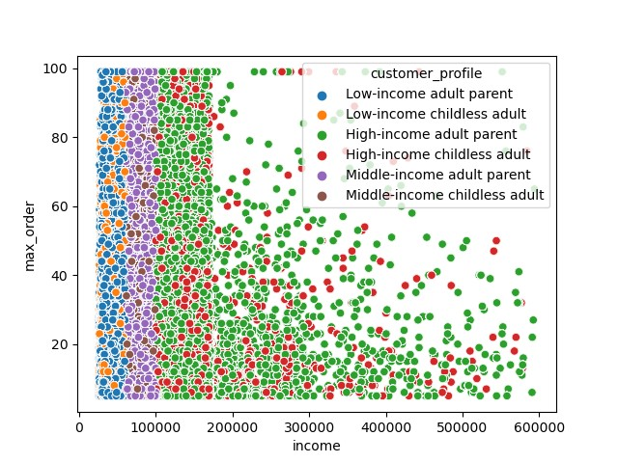

 |  | When we build a customer profile to look at different combinations of income level, parental status, and adulthood, a uniform pattern based on income level is followed.
 |  | The number of orders for goods of each department appear to be the highest for high-income parents, followed by middle-income parents, low-income parents, and then non-parents from the highest income to the lowest.

 |  | The closest margin is between low-income parents and high-income non-parents.
 |  | There are a few categories where there are actually slightly more orders of the latter than the former.
 |  | These notable departments are Pets (8), Dry Goods Pasta (9), Personal Care (11), Canned Goods (15), and Babies (18).
 |  | Orders for baby products being even just slightly higher from high-income non-parents than low-income parents seems odd.

7. Recommendations
 |  |  |  |  | Title page

Recommendations

In this tab you should include any recommendations you would made to Instcart in terms of their marketing strategy based on the questions posed in the brief. Every key question has been covered in the Tasks of the Exercises - here you need to add an item - a visualisation or table/crosstable that is showing the answer in the data, acompanied by a comment from you. Please, list the questions below and add the answer underneath.

Question | Answer
KQ1: The sales team needs to know what the busiest days of the week and hours of the day are (i.e., the days and times with the most orders) in order to schedule ads at times when there are fewer orders. | The busiest day is Saturday, followed by Sunday, and then Friday. The least busiest day is Wednesday, followed by Tuesday, and then Thursday. These three days are recommended for scheduling ads. The histogram demonstrates that the frequency of sales peaks from the late morning to the mid-afternoon, after which they gradually drop. The hours with the least sales are from midnight until 6 AM.
KQ2: They also want to know whether there are particular times of the day when people spend the most money, as this might inform the type of products they advertise at these times. | Looking at the periods of high confidence (from about 7 in the morning until midnight), it appears that customer expenditure hits a low at around 10 AM. Then, it sharply rises again by noon, and gradually increases over the course of the day until about 10 PM.
KQ3: Instacart has a lot of products with different price tags. Marketing and sales want to use simpler price range groupings to help direct their efforts. | Orders have been grouped into three categories: High-range product, mid-range product, and low-range product. High-range products are greater than $15. Mid-range products range from $5 to $15. Low-range products are $5 or less. There are three departments with high-range products sold: meat/seafood, pantry, and dairy/eggs. Notably, in the meat/seafood department, high-range products make up the majority of orders while low-range products make up none of them. Overall, there are about twice as many orders for mid-range products than low-range products. | 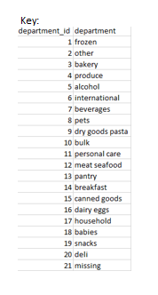 | 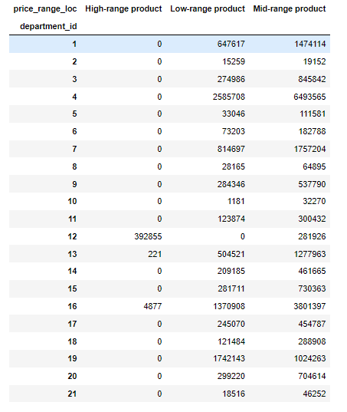
KQ4: Are there certain types of products that are more popular than others? The marketing and sales teams want to know which departments have the highest frequency of product orders. | Produce items are the most ordered. Dairy and eggs are the category with the second most ordered, followed by snacks. |  |  | 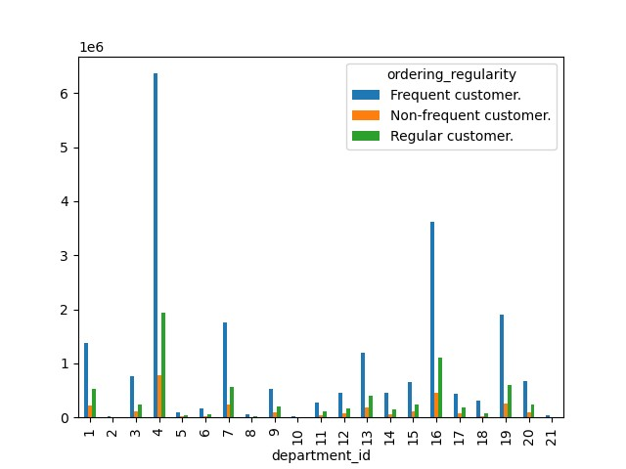
KQ5: What’s the distribution among users in regards to their brand loyalty (i.e., how often do they return to Instacart)? Are there differences in ordering habits based on a customer’s loyalty status? | The largest group of customers are regular customers, followed by loyal customers. New customers are the smallest group. (Loyal customers are those who have made at least 40 orders; regular customers are those have made between 10 and 40; new customers are those who have made 10 or less orders.) Loyal customers are almost entirely frequent customers. Regular customers are mostly either frequent or regular customers. New customers are roughly evenly split when it comes to how frequently they order, with non-frequent customers being the largest group by a slight margin.
KQ6: Is there a connection between age and family status in terms of ordering habits? | There is no correlation between a customer's age and the number of dependants they have in their family.
KQ7: Are there differences in ordering habits based on a customer’s region? | There does not appear to be differences in ordering habits based on region. There is a consistent pattern of the most orders coming from customers living in the South, followed by the West, and then the Midwest.
KQ8: What different classifications does the demographic information suggest? Age? Income? Certain types of goods? Family status? What differences can you find in ordering habits of different customer profiles? Consider the price of orders, the frequency of orders, the products customers are ordering, and anything else you can think of. | There is a positive correlation between age and income. There is also a greater density in the income ranges of 200,000 to 300,000 when age exceeds 40. Similarly, there are only customers with an income higher than 400,000 once age exceeds 40. When we build a customer profile to look at different combinations of income level, parental status, and adulthood, a uniform pattern based on income level is followed. The number of orders for goods of each department appear to be the highest for high-income parents, followed by middle-income parents, low-income parents, and then non-parents from the highest income to the lowest. The closest margin is between low-income parents and high-income non-parents. There are a few categories where there are actually slightly more orders of the latter than the former. These notable departments are Pets (8), Dry Goods Pasta (9), Personal Care (11), Canned Goods (15), and Babies (18). Orders for baby products being even just slightly higher from high-income non-parents than low-income parents seems odd.

